Sheet1
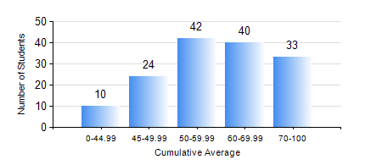
 |  |  | KWAME NKRUMAH UNIVERSITY OF SCIENCE AND TECHNOLOGY, KUMASI Department of Mechanical Engineering

 |  |  | BSC. MECHANICAL ENG.

 |  |  | COMPREHENSIVE RECORD OF EXAMINATION RESULTS

 |  |  | RESULTS OF YEAR 3 SECOND SEMESTER, 2024/2025 ACADEMIC YEAR

 | Sn | Course Code |  | Course Name | Credit Hours | Min. Mark | Max. Mark | Avg. Mark | Std. Dev. | No. Passed | No. Trailed | No. (Df) | No. (I) | No. (I*) | No. Tagged(I,I*,Df) | Total
 | 0. |  |  |  |  |  |  | 0 | 0 | 0 | 0 | 0 | 0 | 0 | 0 | 4
 | 1. | EE 252 |  | ELECTRICAL ENGINEERING MACHINES | 2 | 29 | 74 | 47 | 9.81 | 126 | 18 | 0 | 1 | 0 | 1 | 145
 | 2. | ME 352 |  | FLUID DYNAMICS II | 3 | 23 | 78 | 59 | 12.42 | 134 | 11 | 0 | 0 | 0 | 0 | 145
 | 3. | ME 356 |  | STRENGTH OF MATERIALS II | 2 | 16 | 75 | 50 | 13.29 | 122 | 22 | 0 | 1 | 0 | 1 | 145
 | 4. | ME 362 |  | VIBRATIONS I | 3 | 20 | 76 | 53 | 11.08 | 135 | 9 | 0 | 1 | 0 | 1 | 145
 | 5. | ME 366 |  | HEAT TRANSFER | 3 | 27 | 94 | 63 | 14.81 | 141 | 4 | 0 | 0 | 0 | 0 | 145
 | 6. | ME 370 |  | MANUFACTURING TECHNOLOGY | 3 | 30 | 83 | 59 | 12.02 | 141 | 4 | 0 | 0 | 0 | 0 | 145
 | 7. | ME 374 |  | MACHINE ELEMENTS DESIGN II | 2 | 26 | 88 | 54 | 14.16 | 129 | 16 | 0 | 0 | 0 | 0 | 145
 | 8. | ME 396 |  | MECHANICAL ENGINEERING LABORATORY IV | 1 | 16 | 68 | 60 | 10.75 | 136 | 9 | 0 | 0 | 0 | 0 | 145

